Sheet1
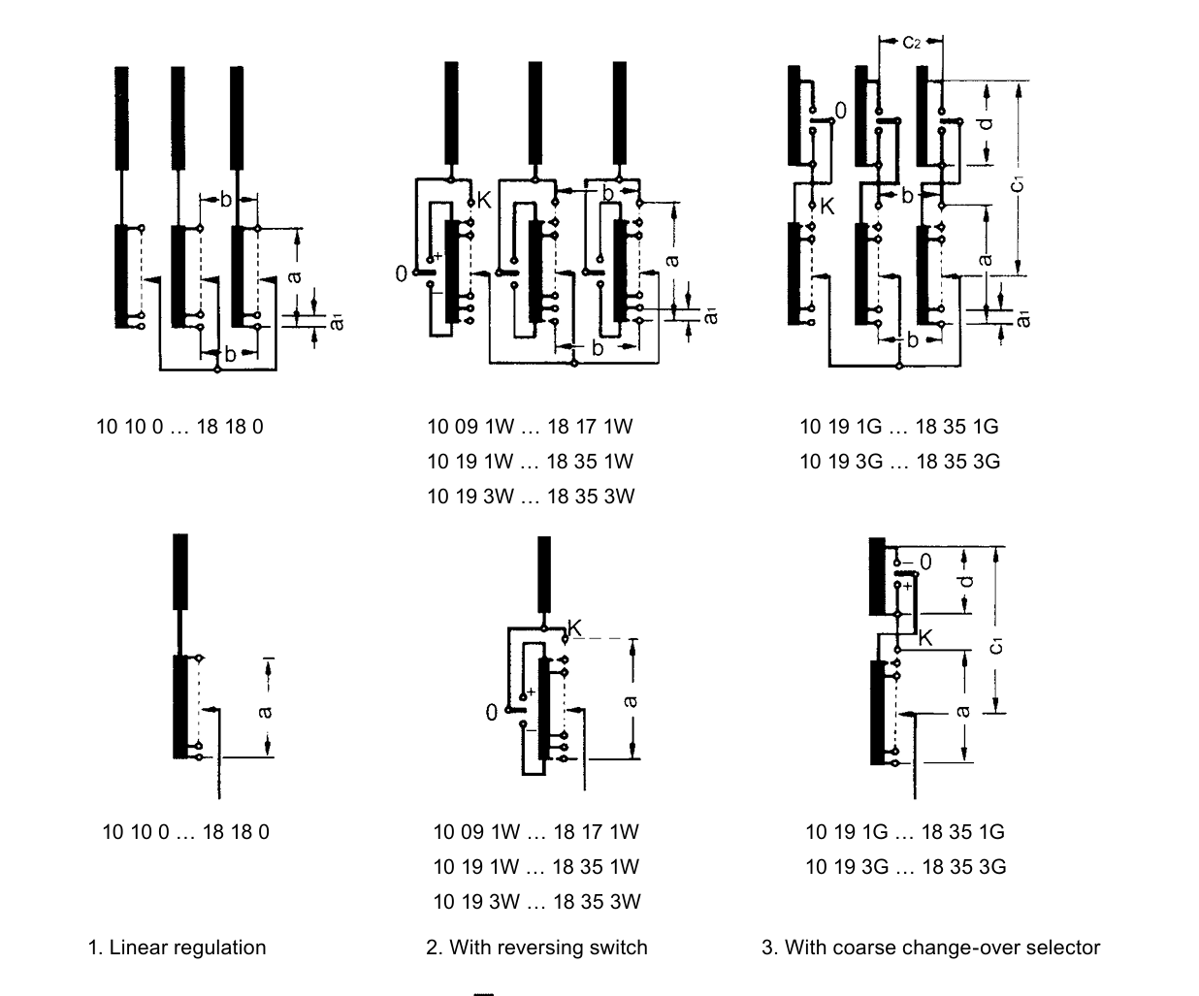
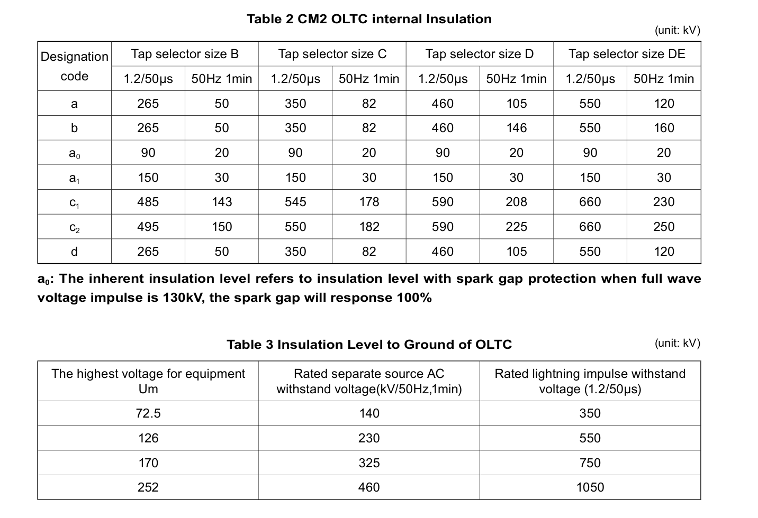
Applicable For Class I tap changer (ie: Y For Netural Point) Only | HOW TO CALCULATE THE INNER INSULATION LEVEL
Item
Transformer capacity | 90000 | MVA
Voltage of transformer high voltage winding | 230 | KV
Transformer connection | Y
Reguating range | ±22%
Basic connections of tap winding | With reversing switch
Steps | ±13 | ±12
Max operation positions | 27 | 27
Number of divisions for the tap selector contacts | 14 | 14
Rated separate source AC withstand voltage(kV/50Hz,1min) FOR OLTC | 230 | KV (ie:PF)
Rated lightning impulse withstand voltage (kV,1.2/50μs) FOR OLTC | 550 | kV (ie:BIL)
UMAX | 280.6 | KV
UMIN | 179.4 | KV
IMAX | 289.64909977 | A
Step voltage (Phase voltage） UST | 2247.2908154 | V
Total regulation voltage | 29214.7806 | V
Across regulation winding for the same phase a | 58429.561201 | V
Between any two taps of different phases b | 101200 | V
SO THIS TRANSFORMER TAP SLELECTOR CHOOSE D

